Sheet1
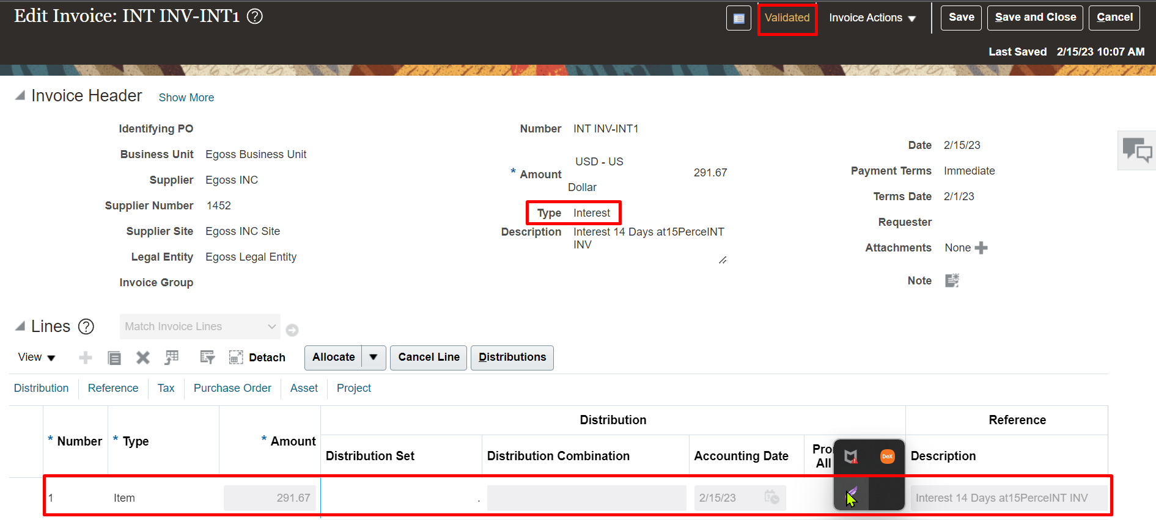
Interest Invoices Configuration & Process
Setups
1. Enable "Create Interest Invoices" in Invoice Options | Task | Manage Invoice Options | Here at interest column check "create interest invoices". |  | >> | with have to populate interest expense account at invoice options level.
2. Set "Create Interest Invoices" - Yes at Supplier Site Level | Path | Procurement >> Suppliers >> Task pane >> Manage Suppliers >> goto supplier sites >> invoicing tab >> Terms column >> Create Interest Invoices set it as "Yes"
3. Create Interest Rates | Task | Manage Interest Rates
Process
1. Create Invoice with Past date - 15th sept 2022 | Path | Payables >> Invoices >> Task pane >> Create Invoices
2. Process the payment today - 25th Sept 2022 | Path | Payables >> Payments >> Task pane >> Create Payment
3. System creates Interest Invoices | Information | With the Suffix INT1 system will create Interest invoices |  | Here while creating payment to the invoice system will show the
 |  | here system will create invoice with invoice type as interest. |  | interest.
 |  | System will automatically validate the interest invoice

Setups
1. Enable "Create Interest Invoices" in Invoice Options
Task: Manage Invoice Options
Select "Interest Expense" Account if not create Interest Expense Account and the Account type is Expense.

2. Set "Create Interest Invoices" - Yes at Supplier Site Level
Path: Procurement >> Suppliers >> Task pane >> Manage Suppliers >> goto supplier sites >> invoicing tab >> Terms column >> Create Interest Invoices set it as "Yes"
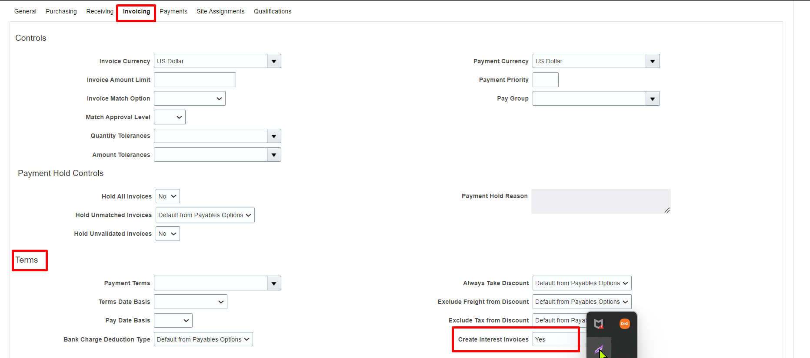

3. Create Interest Rates
Task: Manage Interest Rates

Process
1. Create Invoice with Past date - 1st Feb 2023
Path: Payables >> Invoices >> Taskpane >> Create Invoices

2. Process the payment today - 25th Sept 2022
Path: Payables >> Payments >> Taskpane >> Create Payment
We can see that system is calculating interest on this invoice while we are making a payment to this invoice
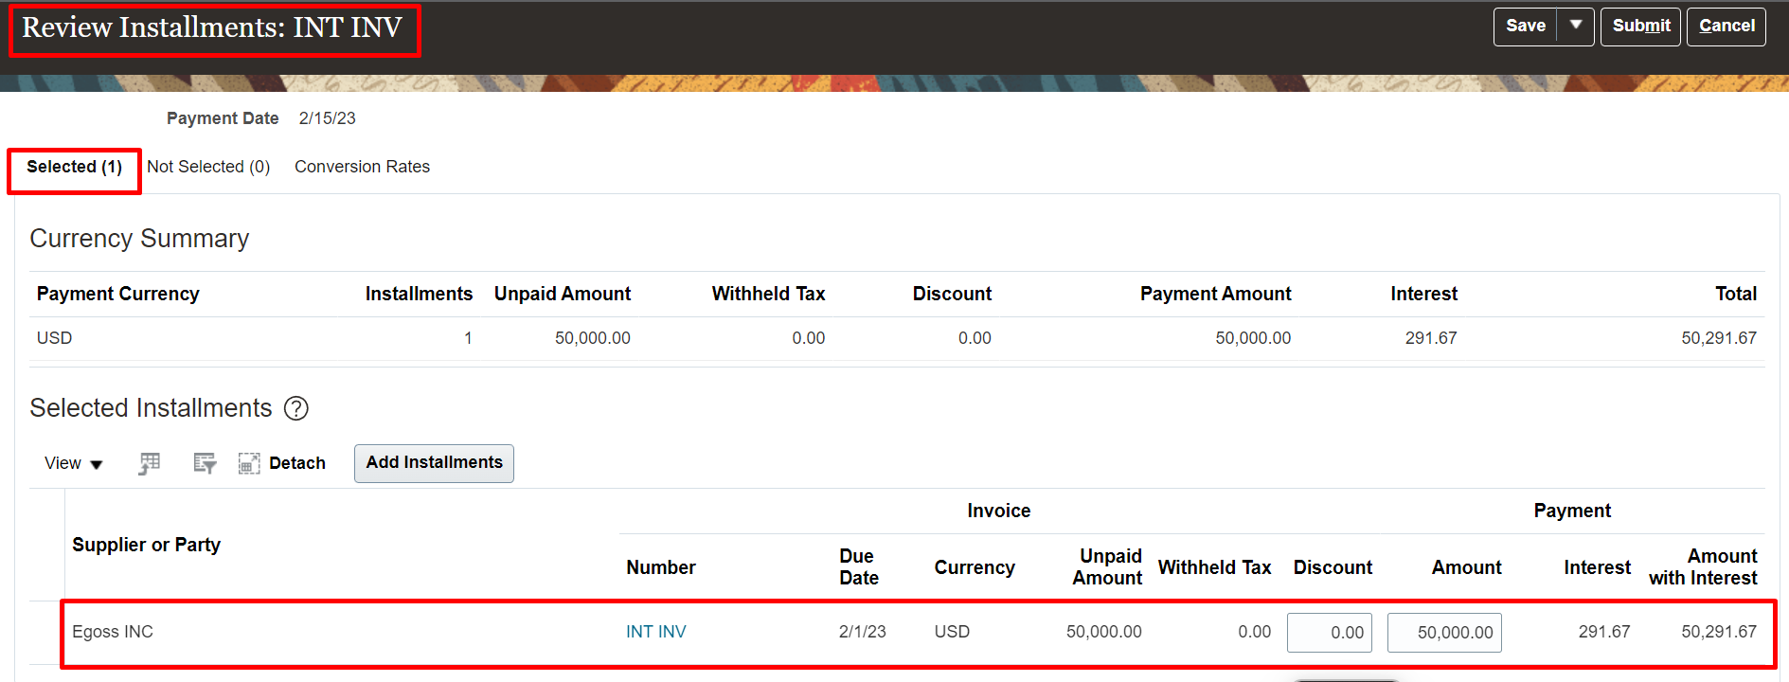

 | A

*In the review proposed payment we can see that system is processing the payment for both the invoices
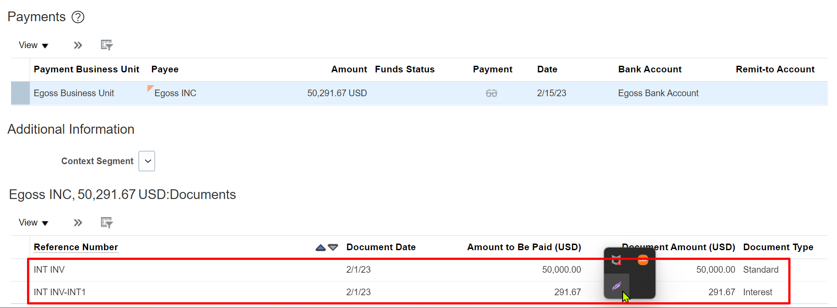

3. System automatically creates Interest Invoice
Path: Payables >> Invoices >> Taskpane >> Manage Invoices
System creates an invoice with suffix called "INT1" and Type as "Interest"

